Project 3
Acoustic Test Data Analytics

1. Project Overview
This project analyzes acoustic performance test data to compare noise levels across different operating modes, design types, and material variants. LpA (dB(A)) values were calculated and processed in Microsoft Excel before being analyzed using an interactive Power BI dashboard, which visualizes noise distributions, compares average noise levels by measurement position, and evaluates compliance with the 60 dB(A) engineering target. Statistical analysis and validation were performed using Minitab. Tools Used: Microsoft Excel, Power BI, Power Query, DAX, Minitab

2. Dashboard Overview
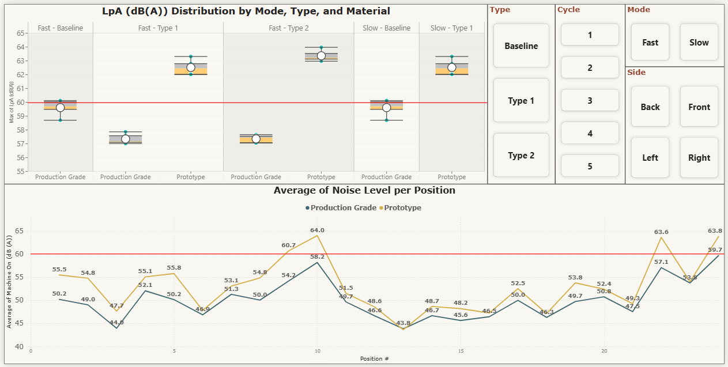

3. Business Questions
• Are the acoustic measurements consistent across repeated test cycles?
• How do operating modes influence acoustic performance?
• How do design types and material variants compare in terms of noise performance?
• Which configuration demonstrates the most consistent acoustic performance?
• Which measurement positions contribute the highest acoustic noise?
• Do the Type 1 and Type 2 production-grade configurations achieve significantly lower acoustic noise levels than the Fast-mode baseline configuration?

4. Data Preparation
Step | Description
Data Source | Collected raw acoustic measurement data from sound performance testing across multiple operating modes, design types, material variants, measurement positions, and test cycles.
Data Cleaning | Used Power Query to correct data types, remove unnecessary columns, handle blank values, and validate measurement records to ensure data consistency prior to analysis.
Data Transformation | Calculated A-weighted sound pressure levels (LpA dB(A)) in Microsoft Excel, then used Power Query to reshape and organize the dataset into a structured format suitable for visualization and statistical analysis.
Data Standardization | Standardized operating modes, design types, material variants, measurement positions, and test identifiers to ensure consistent classification and comparison across all test configurations.
Data Integration | Consolidated acoustic measurement results from multiple test configurations into a unified, analysis-ready dataset to support comparative analysis and interactive reporting.
Output | Produced a clean, structured, and analysis-ready dataset to support acoustic performance evaluation, engineering validation, statistical analysis, and interactive Power BI dashboard reporting.

5. Data Validation
Objective: Verify that the acoustic measurement records displayed in the Power BI dashboard match the transformed dataset.
Validation: Compared the filtered LpA (dB(A)) values and records in the Power BI dashboard with the transformed dataset using identical Mode, Type, Cycle, Side, and Material filters.
Result: All filtered records and LpA values matched, confirming that the Power Query transformations and dashboard calculations accurately represent the source data.
Steps:
1. Apply the desired dashboard filters.
2. Verify the displayed LpA (dB(A)) values and records in Power BI.
3.Apply the same filters to the transformed dataset.
4. Confirm that the filtered records and LpA values match the dashboard.

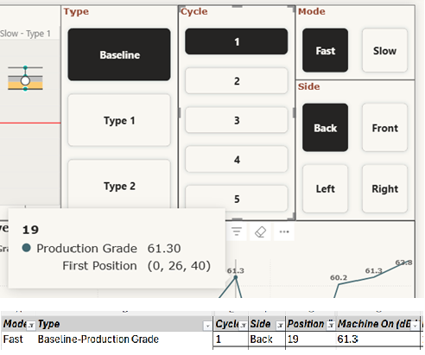

6. Dashboard & Statistical Analysis
Dashboard and Statistical Visual | Question | Focus
Descriptive Statistics (Coefficient of Variation) | Are the acoustic measurements consistent across repeated test cycles? | Evaluates the repeatability of LpA (dB(A)) measurements using descriptive statistics and the coefficient of variation (CV). Low CV values indicate consistent and reliable measurements across repeated acoustic tests.
LpA (dB(A)) Distribution | How do operating modes influence acoustic performance? How do design types and material variants compare in terms of noise performance? Which configuration demonstrates the most consistent acoustic performance? | Compares the distribution, central tendency, and variability of LpA (dB(A)) measurements across operating modes, design types, and material variants to identify quieter and more consistent test configurations.
Average Noise Level by Position | Which measurement positions contribute the highest acoustic noise? | Visualizes average LpA (dB(A)) across measurement positions to identify locations with consistently higher noise levels and compare acoustic performance between test configurations.
Mann–Whitney U Test | Do the Type 1 and Type 2 production-grade configurations achieve significantly lower acoustic noise levels than the Fast-mode baseline configuration? | Compares LpA (dB(A)) measurements between the Fast-mode baseline and the Fast-mode Type 1 and Type 2 production-grade configurations to determine whether the observed noise reductions are statistically significant.

7. Key Findings
Question | Dashboard Visual | Conclusion
Descriptive Statistics (Coefficient of Variation) | 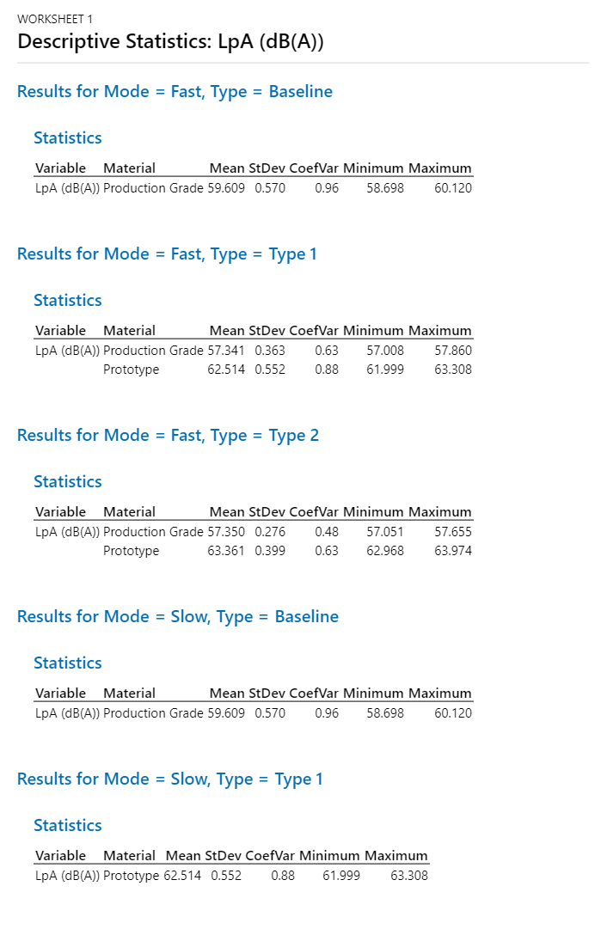 | All test configurations exhibited low coefficients of variation (CV < 1%), indicating excellent repeatability and consistency of LpA (dB(A)) measurements across repeated test cycles. These results demonstrate that measurement variability was minimal, providing a reliable basis for subsequent statistical comparison and acoustic performance evaluation.
How do operating modes influence acoustic performance? | 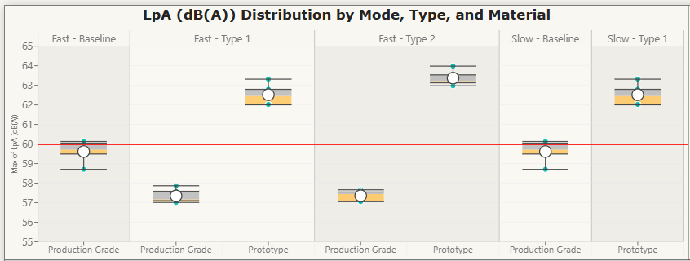 | Fast mode produced slightly higher noise levels than Slow mode across most test configurations. As required by the acoustic test standard, Fast mode was used as the primary condition for evaluating compliance with the 60 dB(A) engineering target.
How do design types and material variants compare in terms of noise performance? |  | Design types exhibited comparable acoustic performance regardless of material variant. However, all production-grade configurations met the 60 dB(A) acoustic target, whereas prototype configurations consistently exceeded the specification, indicating that prototype materials are not suitable for acoustic performance validation.
Which configuration demonstrates the most consistent acoustic performance? |  | Fast mode with Type 1 and Type 2 production-grade configurations demonstrated the most consistent acoustic performance, achieving lower noise levels than the baseline while consistently meeting the 60 dB(A) acoustic target.
Baseline at Fast Mode
Type 1 at Fast Mode
Which measurement positions contribute the highest acoustic noise? |  | Measurement Positions 10, 22, and 24 consistently exhibited the highest acoustic noise across all test configurations. Prototype materials produced substantially higher noise levels than production-grade materials at these positions, with Position 24 recording the highest LpA (dB(A)) values overall.
Type 2 at Fast Mode
Do the Type 1 and Type 2 production-grade configurations achieve significantly lower acoustic noise levels than the Fast-mode baseline configuration? | 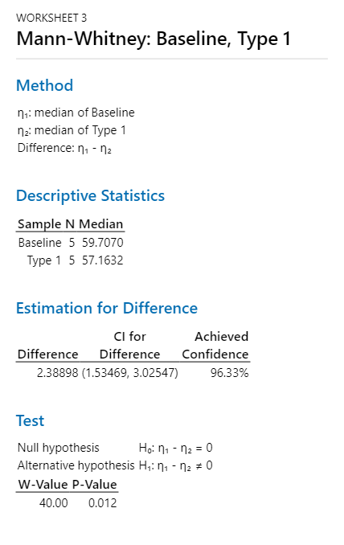 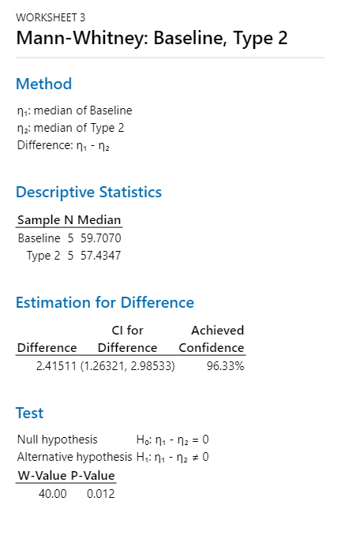 | Mann–Whitney U tests confirmed that both Type 1 and Type 2 production-grade configurations achieved statistically significant reductions in LpA (dB(A)) compared with the Fast-mode baseline (p = 0.012 for both comparisons). These results support the engineering recommendation to adopt the Type 1 and Type 2 production-grade configurations for acoustic validation testing.
8. Recommendations
Recommendation | Rationale
Use production-grade components for acoustic performance validation. | Prototype materials consistently exceeded the 60 dB(A) acoustic target, making them unsuitable for representative acoustic testing.
Prioritize Type 1 and Type 2 production-grade configurations for future design iterations. | These configurations achieved lower noise levels than the baseline while consistently meeting the acoustic performance target.
Focus noise reduction efforts on measurement Positions 10, 22, and 24. | These positions consistently recorded the highest LpA (dB(A)) values across all test configurations, indicating the primary sources of acoustic emissions.
Continue evaluating acoustic performance using Fast mode. | Fast mode consistently recorded slightly higher noise levels and is the required operating condition for compliance with the acoustic test standard.

9. Skills Demonstrated
Skill Area | Tool / Technique
Data Collection | Microsoft Excel
 | Acoustic Test Data Collection
Data Cleaning | Power Query
 | Data Type Correction
Data Transformation | Microsoft Excel
 | LpA (dB(A)) Calculation
 | Power Query M
 | Custom Transformations
Data Integration | Data Consolidation
 | Test Configuration Integration
Data Standardization | Operating Mode Standardization
 | Design Type Classification
 | Material Variant Standardization
 | Measurement Position Standardization
Data Modeling | DAX Calculated Columns
 | DAX Measures
 | Data Relationships
Data Validation | Source-to-Dashboard Reconciliation
 | LpA Value Verification
 | Dashboard Consistency Verification
Data Analysis | Acoustic Performance Analysis
 | Noise Distribution Analysis
 | Measurement Position Analysis
 | Compliance Assessment
 | Statistical Analysis (Minitab)
Data Visualization | Power BI Dashboard
 | Box-and-Whisker Plot
 | Line Chart
 | Reference Line
 | Slicers
 | Cross-filtering

